Description
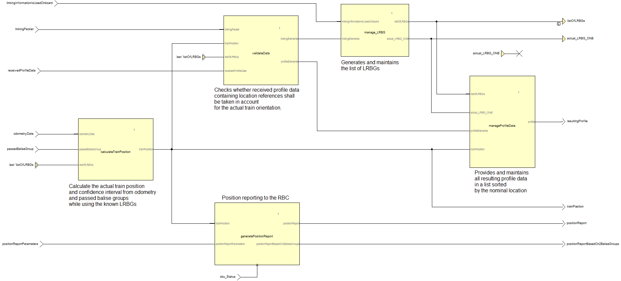
Template for System Analysis

Authors:

Steinke. Uwe (Siemens), Welte, Jan (TU-BS)

Reviewers:

Reviewers of this document

Date and version:

2013-11-20 | V 1.0

Input documents:

• Subset 26 §3.6 (except § 3.6.6)
• Subset 26 Chapter 3, Chapter 7, Chapter 8

Files to complete this analysis

• SysML Model (SUBSET_26-3-3-0_Chapter-3-6)
• Scade Model (SUBSET_26-3-3-0_Chapter-3-6)
• DetermineTrainLocation.docx

Description

This model analyzes how to determine the train location information as specified in Subset026-3.6 “Location principles, train position and train orientation”. A detailed description is given in the embedded file "DetermineTrainLocation.docx"

Design choices

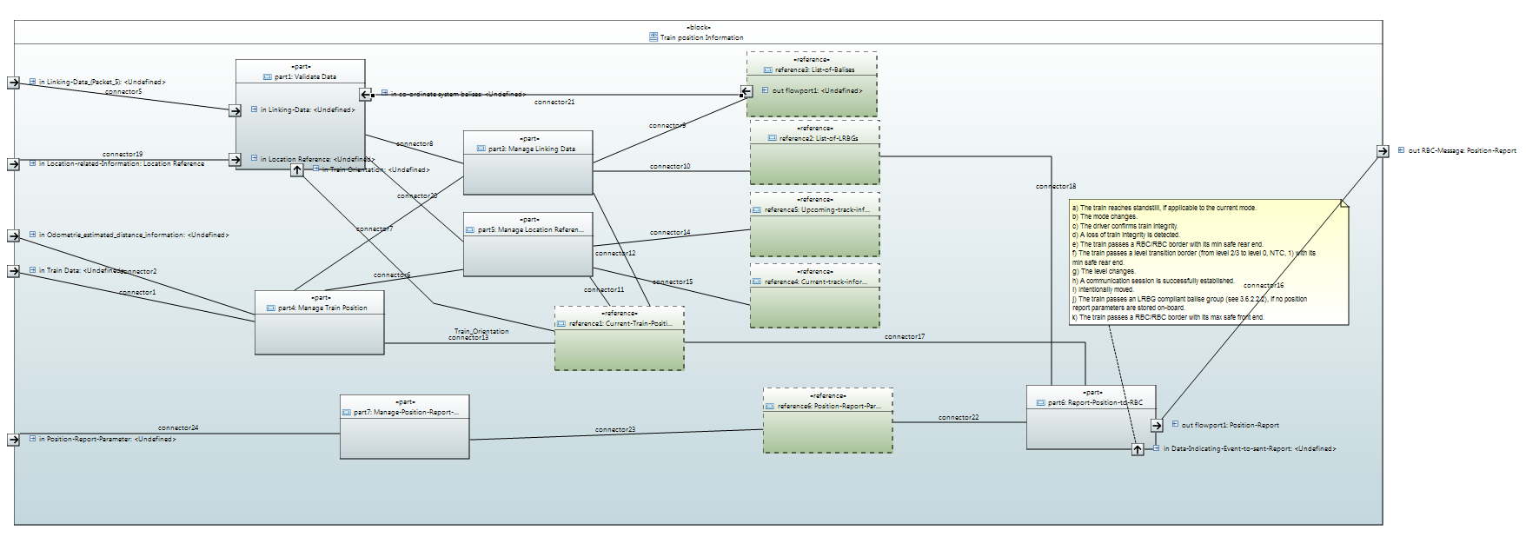

 | Functions
 | Data Storage

An equivalent representation of the model shown above in SCADE with all data types strictly defined and related to Subset 026-7 and -8 is this:

